Strategic Mission
 | Our Stakeholders
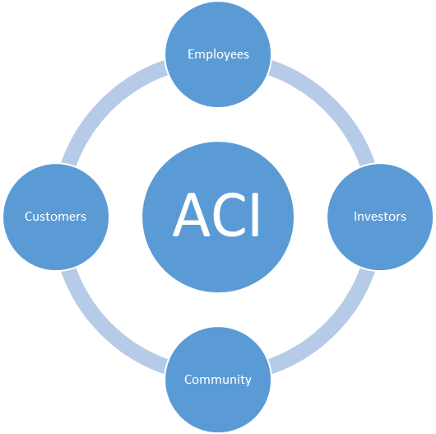

Mission
To be the top electronics manufacturing services provider in the market—trusted to become better each passing day—by leveraging our uniqueness, evolving persistently, maintaining stability and efficiency, and delivering electronics manufacturing excellence.

Vision
We create enduring value for all our stakeholders by optimizing customer appreciation, human fulfillment, financial robustness, and supplier and community engagement.

Each individual advances our mission and develops themselves along with the company.

Lists
OPP RATING LIMIT: | RISK RATING LIMIT: | Type | Priority | Treatment | Bias | Process/Dept | Likelihood | Occurrences | Potential | Violation | correction | reputation | cost of opp | reputation | score | Success | Yes/No
10.0 | 10.0 | External | Emergency | No Action: Accept Risk per Mgmt Decision | Opportunity | All Processes/Depts | Cannot occur / not applicable | Has never occurred. | None / NA | None / NA | $ 0 | None | > $500,000 | No impact / NA | 1 | Opportunity Failed | Yes
 | RISK CONSIDERATION LIMIT | Internal | High | Risk Register / FMEA Style | Risk | Sales/PM/Mkting | Unlikely to occur | Has not occurred in past 10 years. | Minor | Possible | < $10,000 | Minimal | > $100,000 | Minimal impact | 2 | Opportunity Abandoned | No
 | 5.0 |  | Medium | Root Cause Analysis | Neutral | Engineering | Somewhat likely to occur | Has occurred in past 10 years. | Moderate | Definite | < $100,000 | Moderate | < $100,000 | Moderate impact | 3 | Met some expectations
 |  |  | Low | Internal Auditing | Mixed | Purchasing | Likely to occur | Has occurred in past 5 years. | High | High | > $100,000 | Severe | < $10,000 | Good impact | 4 | Met all expectations
 |  |  |  | Root Cause Analysis |  | Receiving/Inventory | Very likely to occur | Has occurred in past year. | Very High | Legal Risk | > $500,000 | Very severe | $0 or N/A | Great impact | 5 | Exceeded expectations
 |  |  |  | Corrective Action Request (CAR) |  | Production |  |  |  |  |  |  |  |  |  | On-Going Project
 |  |  |  | Vendor Auditing |  | Packing/Shipping
Opportunity Trend Data |  |  |  | Other Auditing |  | HR/Training
Number Open Improvement Initiatives | 9 |  |  | Management Review Activity |  | IT
Number Closed Improvement Initiatives | 1 |  |  | Marketing Enhancement |  | Finance/Accounting
Total Improvement Initiatives to Date | 11 |  |  | Other |  | Legal
Opportunity Failed | 0 |  |  | Opportunity Register |  | Quality
Opportunity Abandoned | 0 |  |  |  |  | Admin
The Risk Rating Limit is the minimum risk score which will trigger a MANDATORY mitigation plan.
The Risk Consideration Limit is a score which would trigger a SUGGESTED mitigation plan.
The Opportunity Rating Limit is the minimum score which would require a mandatory "opportunity pursuit plan."
Met some expectations | 0 |  |  |  |  | Top Management |  |  |  |  |  |  |  |  |  |  |  | (Required for risk factors >=
Met all expectations | 1 |  |  |  |  |  |  |  |  |  |  |  |  |  |  |  |  | , suggested for risk factors between
Exceeded expectations | 0
 |  |  |  |  |  |  |  |  |  |  |  |  |  |  |  |  |  | (Required for risk factors >=10, suggested for risk factors between 5 and 10)

Risk Trend Data
Total risks processed | 21 |  |  |  |  |  |  |  |  |  |  |  |  |  |  |  |  | Opportunity Pursuit Plan (suggested for Opp Factors >=
Total risks requiring action | 8 |  |  |  |  |  |  |  |  |  |  |  |  |  |  |  |  | ) May reference external planning document
Total risks suggesting action | 12
Total risks accepted without action | 1 |  |  |  |  |  |  |  |  |  |  |  |  |  |  |  |  | Opportunity Pursuit Plan (suggested for Opp Factors >=10) May reference external planning document

